Exhibits
Table A | Days Supply of Inventory

 | 1993 | 1994 | 1995 |  |  | Additional Inventory at Compaq's DSI in 1995 =(Dell’s Daily Purchases)x(Compaq’s DSI – Dell’s DSI)
Dell computer | 55 | 33 | 32 |  |  | Additional Inventory at Compaq's DSI in 1995 |  |  |  | 311.714 | mln.
Apple Computer | 52 | 85 | 54 |  |  | Additional Inventory at Apple's DSI in 1995 |  |  |  | 167.261
Compaq Computer | 72 | 60 | 73 |  |  | Additional Inventory at IBM's DSI in 1995 |  |  |  | 121.644
IBM | 64 | 57 | 48

Exhibit 1 | Dell's annual Worldwide Sales Dollar Growth versus Industry
Dell's annual Worldwide Sales in Dollar's Growth versus Industry
Calendar Year | Dell | Industry
1991 | 63% | -2%
1992 | 126% | 7%
1993 | 43% | 15%
1994 | 21% | 37%
1995 | 52% | 31%

Exhibit 2 | Working Capital Financial Ratios for Dell

 | DSI | DSO | DPO | CCC
Q193 | 40 | 54 | 46 | 48
Q293 | 44 | 51 | 55 | 40
Q393 | 47 | 52 | 51 | 48
Q493 | 55 | 54 | 53 | 56
Q194 | 55 | 58 | 56 | 57 |  | DSI (Days Sales of Inventory) = Net Inventory / (Quarterly COGS/90).
Q294 | 41 | 53 | 43 | 51 |  | DSO (Days Sales Outstanding) = Net Accounts Receivables / (Quarterly Sales/90).
Q394 | 33 | 53 | 45 | 41 |  | DPO (Days Payables Outstanding) = Accounts Payables / (Quarterly COGS/90).
Q494 | 33 | 50 | 42 | 41 |  | CCC (Cash Conversion Cycle) = DSI + DSO – DPO.
Q195 | 32 | 53 | 45 | 40
Q295 | 35 | 49 | 44 | 40
Q395 | 35 | 50 | 46 | 39
Q495 | 32 | 47 | 44 | 35
Q196 | 34 | 47 | 42 | 39
Q296 | 36 | 50 | 43 | 43
Q396 | 37 | 49 | 43 | 43
Q496 | 31 | 42 | 33 | 40

Exhibit 3 | Percent of Dell Computer Systems Sales by Microprocessor

Computer systems | FY94 | FY95 | FY96
386 models | 7% | 0% | 0%
486 models | 92% | 71% | 25%
Pentium models | 1% | 29% | 75%

Exhibit 4 | Profit and Loss Statements for Dell Computer Corporation (millions of dollars)

Fiscal Year | 1996 | 1995 | 1994 | 1993 | 1992 |  | Fiscal Year | 1996 | 1995 | 1994 |  | Operating Assets = Total Assets – Short Term Investment
Sales | 5,296 | 3,475 | 2,873 | 2,014 | 890 |  | Sales growth | 1,821 | 602 | 859 |  | 1,110 | Operating assets
Cost of Sales | 4,229 | 2,737 | 2,440 | 1,565 | 608 |  | Sales growth % | 52% | 21% | 43% |  | 32% | money was needed to fund $3,475 million dollars in sales
Gross Margin | 1,067 | 738 | 433 | 449 | 282 |  | Asset of sales | 41% | 46% | 40% |  | 1,821 | increased sales
Operating Expenses | 690 | 489 | 472 | 310 | 215 |  | Investment of sales | 11% | 14% | 12% |  | 581.672 | Additional investment in operational assets would be necessary if sales increased 52 per cent.
Operating Income | 377 | 249 | -39 | 139 | 67 |  | An increase in operating assets | 29% | 32% | 28%
Financing & Other Income | 6 | -36 | 0 | 4 | 7
Income Taxes | 111 | 64 | -3 | 41 | 23 |  | Additional amount to fund growth in sales | 581.672 | Additional investment in operational assets would be necessary if sales increased 52 per cent.
Net Profit | 272 | 149 | -36 | 102 | 51

Exhibit 5 | Balance Sheets for Dell Computer Corporation (millions of dollars)

 | Year, Ended
 | January 28, 1996 | January 29, 1995 | January 30, 1994
Current Assets:
Cash | 55 | 43 | 3
Short term Investments | 591 | 484 | 334 | -107 | -150 |  | Sources of funds:
Accounts Receivables, net | 726 | 538 | 411
Inventories | 429 | 293 | 220 |  |  |  | The liabilities less accounts payable have incresed from 1995 to 1996 = (Total asset (1996) - Accounts payable (1996))- (Total asset (1995) - Accounts payable (1995)) |  |  |  | 491
Other | 156 | 112 | 80 |  |  |  | Net profit as a % of sales in 1995 = net profit (1995) / Sales (1995) |  |  |  | 0.042877697842
Total Current Assets | 1,957 | 1,470 | 1,048 |  |  |  | The projected operational profit = Sales (1996) * net profit % in 1995 |  |  |  | 227.080
Property, Plant & Equipment, net | 179 | 117 | 87 |  |  |  | Cash inflow = The liabilities less accounts payable have incresed from 1995 to 1996 + The projected operational profit = Sales (1996) * net profit % in 1995 |  |  |  | 718.080
Other | 12 | 7 | 5 |  |  |  | Cash outflow |  |  |  | 581.672
Total Assets | 2,148 | 1,594 | 1,140 | 2391 |  |  | Cash inflow is more than the required cash outflow, so it means, that Dell have enough money to fund the increased growth in sales by 52% internally.

Current Liabilities:
Accounts Payable | 466 | 403 | NA |  |  |  |  |  |  |  | 1995 | 1996
Accrued and Other Liabilities | 473 | 349 | NA |  |  |  | Asset turnover ratio = sales/ Total Assets |  |  |  | 2.18 | 2.47
Total Current Liabilities | 939 | 752 | 538 |  |  |  | Short term investments as percentage of sales = Short term investments *100/Sales |  |  |  | 13.93 | 11.16
Long Term Debt | 113 | 113 | 100 |  |  |  | Current liabilieties as a percentage of sales = total current liabilities *100/sales |  |  |  | 21.64 | 17.73
Other Liabilities | 123 | 77 | 31
Total Liabilities | 1,175 | 942 | 669 |  |  |  | The asset turnover ratio has increased from 2,18 to 2,47. It means that the efficiency of the firm has increased.
Stockholders’ Equity: |  |  |  |  |  |  | The current liabilities as a percentage of sales have decreased fom 21,64% to 17,73%, so it means that the liabilities have reduced.
Preferred Stocka | 6 | 120 | NA |  |  |  | So, Dell funded its 52% growth in sales by increasing its asset efficiency, reducing laibilities and decreasing its short term investments, comparing to previous years.
Common Stocka | 430 | 242 | NA
Retained Earnings | 570 | 311 | NA
Other | -33 | -21 | NA
Total Stockholders’ Equity | 973 | 652 | 471
 | 2,148 | 1,594 | 1,140
 |  |  |  |  |  |  | FORECAST
 |  |  |  |  |  |  | 1997 forecast - assuming that sales will grow 50 % (Comparing to sales growth in 1996)
 |  |  |  |  |  |  | Years | 1996 | 1997
 |  |  |  |  |  |  | Total asset | 2,148
 |  |  |  |  |  |  | Short term investment | -591
 |  |  |  |  |  |  | Operating asset | 1,557 | 2336 | to find operating asset contibution in 1997, ratio to sales remain the same as in 1996. Operating asset in 1997 = sales in 1997 * operating asset as % of sales
 |  |  |  |  |  |  | Sales | 5,296 | 7944 | To find sales in 1997, we increase sales in 1996 by 50% = sales in 1996 + sales in 1996 * 50%
 |  |  |  |  |  |  | Operating asset as % of sales | 29.40%

 |  |  |  |  |  |  | Operating asset in 1997 - Operating asset in 1996 = 2336 - 1557 = |  | 779

 |  |  |  |  |  |  | Additional amount to fund growth in sales | 779

 |  |  |  |  |  |  | Additional investment in operational assets would be necessary if sales increased 50 %.

 |  |  |  |  |  |  | Sources of funds

 |  |  |  |  |  |  | Liabilities except account receivables to sales in 1996 | 31.76%
 |  |  |  |  |  |  | Liabilities except account receivables to sales in 1997 | 2523
 |  |  |  |  |  |  | Liabilities less accounts payable have increased from 1996 to 1997 | 841
 |  |  |  |  |  |  | Net profit to sales 1996 | 5.14%
 |  |  |  |  |  |  | Net profit to sales 1997 | 408
 |  |  |  |  |  |  | Cash inflow | 1,249
 |  |  |  |  |  |  | Cash outflow | 779

 |  |  |  |  |  |  | Cash inflow in 1997 is equal to 1249 millions and is more than the required cash outflow, which is equal to 779 millions. So, this means, that Dell have enough money to fund it's growth internally in 1997.

Dell now
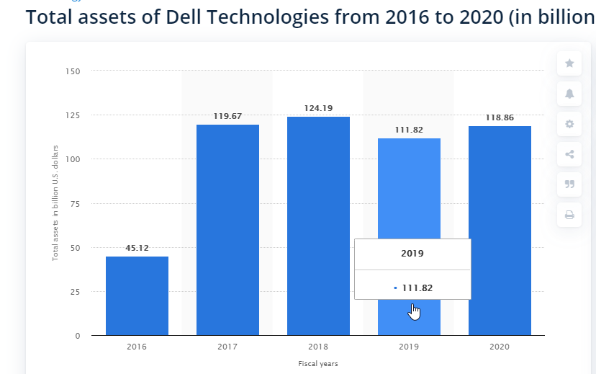
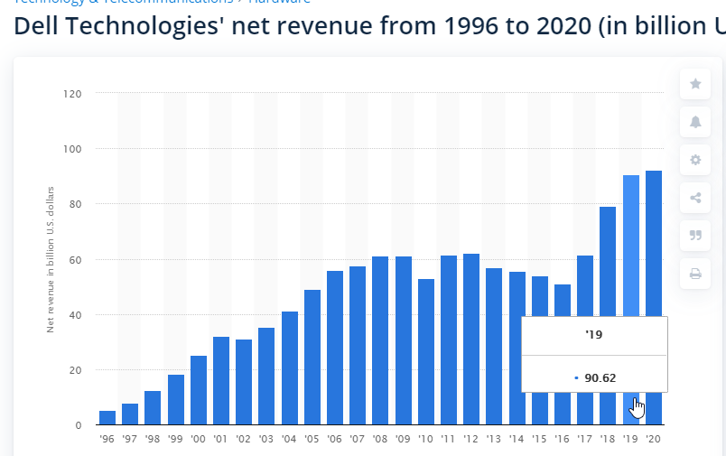
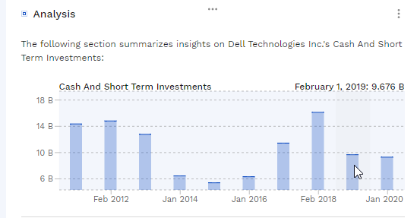

 | 1,995 | 2,019 | Operating Assets = Total Assets – Short Term Investment
Sales | 3,475 | 90,620 | Operating Assets | 102,144
Short term Investments | 484 | 9,676 | Money was needed to fund $90,620 million dollars in sales | 113%
Total Assets | 1,594 | 111,820 | increased sales | 87,145 | mln
 |  |  | Change in sales | 2508%

 |  |  | Additional investment in operational assets were necessary when sales increased 2508 per cent. | 98227.089826 | mln

